Sheet1
 |  |  |  |  |  | NOMOR : 116

 | MECHANICAL, ELECTRICAL, FABRICATION, PIPING, MAINTENANCE
 | Dusun Nglembu, RT 20/RW 10, Desa Bendorejo, Kecamatan Pogalan, Kabupaten Trenggalek
 | Telepon : 082 244 741 847
 | Email : cvbarokahmashur2016@gmail.com

Kepada Yth. |  |  |  |  | Trenggalek, 16 Juli 2019
PT. SURABAYA AUTOCOMP INDONESIA
PT. Surabaya Autocomp Indonesia |  |  |  | Quot. No | : 116/BAMAS-PENWRN/VII/2019
Ngoro Industri Persada Kav. T-1 |  |  |  | Y / REF. NO | : -
Ngoro, Mojokerto - Surabaya

Attn | : Bapak M. Johan
Telp/ Fax | : +62-321-6817400, +62-321-6817395 / +62-321-6817541

 | Bersama ini, kami kirimkan penawaran harga INSTALATION LIGHTING, SOCKET AND COMPRESSOR PIPE MOOK UP LINE 11 SAI B,
dengan rincian sebagai berikut :

No | Description | Unit | Qty | PRICE |  | TOTAL
 |  |  |  | Material (Rp) | Labour (Rp)

 | Instalation Lighting Socket and Compressor Pipe Mook Up LINE 11 SAI B

1. | Lighting and Socket LINE 11 SAI B | Lot | 1 | 66,029,900.00 | 24,450,000.00 | 90,479,900.00
2. | Panel Lighting Socket and Cable LINE 11 SAI B | Lot | 1 | 79,647,000.00 | 16,235,300.00 | 95,882,300.00
3. | Instalation Compressor Pipe LINE 11 SAI B | Lot | 1 | 33,420,200.00 | 11,364,140.00 | 44,784,340.00

Total Rp. |  |  |  | 179,097,100.00 | 52,049,440.00 | 231,146,540.00

Untuk Deskripsi harga, silahkan lihat di sheet 2.

Demikian penawaran ini kami berikan, kami menunggu kabar selanjutnya dari Bapak/ Ibu. Atas perhatiannya dan kerjasamanya, kami ucapkan terimakasih.

CV. BAROKAH MASHUR

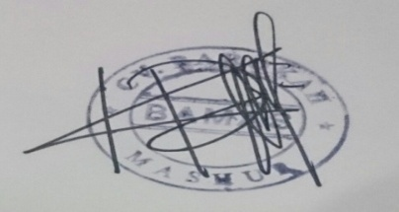
 |  |  |  | Term & Condition :
 |  |  |  | Delivery | :
 |  |  |  | Price | : Include PPh, belum termasuk PPN 10%
 |  |  |  | Payment Term | : 30 hari setelah invoice di terima
 |  |  |  | Validity | : 22 Juli 2019

